2.Hyper Param of DT Regressor
HYPER PARAMETERS FOR DECISION TREE REGRESSORS WITH GRID SEARCH CV |  |  |  |  | REFERENCE

 |  |  |  |  | ⇰REFERENCE (Website)-->Scikit Learn Regarding Conceptual & Practical Understanding of Various Hyper Parameters of Decision Tree Regressors

IMPERATIVE / FUNDAMENTAL HYPER PARAMETER FOR MODEL |  |  |  |  | ⇰REFERENCE (Website)-->Udemy Regarding Thereotical & Conceptual Implementation for Performance Evaluation (MSE, MAE )

⇰criterion{“squared_error”, “friedman_mse”, “absolute_error”, “poisson”}, default=”squared_error” ❶The function to measure the quality of a split. Supported criteria are “squared_error” for the mean squared error (MSE), which is equal to variance reduction as feature selection criterion and minimizes the L2 loss using the mean of each terminal node, “friedman_mse”, which uses mean squared error with Friedman’s improvement score for potential splits, “absolute_error” for the mean absolute error, which minimizes the L1 loss using the median of each terminal node, and “poisson” which uses reduction in Poisson deviance to find splits.

 |  |  |  |  | ⇰REFERENCE (Website)-->StatisticsShow To Regarding Practical (Coding) of Absolute Error & Mean Absolute Error (MAE) | ⇰REFERENCE (Website)-->Durham University Regarding Thereotical & Conceptual Understanding of Poisson Distribution

▣Mean Absolute Error-->(MAE) is the mean of the absolute value of the errors between actual and predicted values.The closer MAE is to 0, the more accurate the model is. | ▣Mean Square Error-->Mean Squared Error (MSE) is the mean of the squared errors There is no correct value for MSE. Simply put, the lower the value the better and 0 means the model is perfect. Since there is no correct answer. |  |  | ▣The Poisson distribution is a discrete distribution that measures the probability of a given number of events happening in a specified time period.

 |  |  |  |  | ⇰REFERENCE (Website)-->Wikipedia Regarding Thereotical & Conceptual Implementation of Poisson Distribution

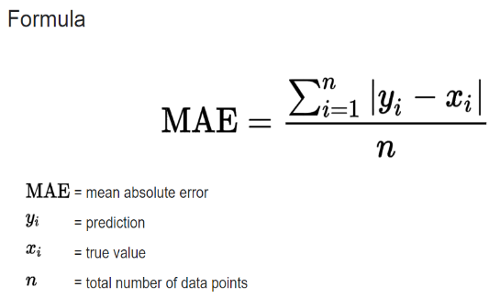
 | 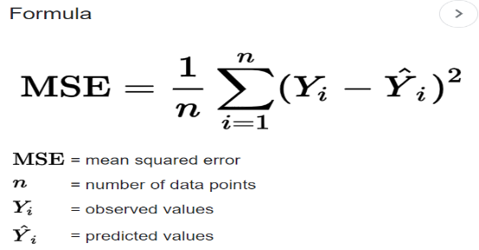 |  |  | 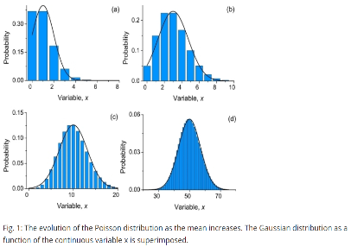

 |  |  |  |  | ⇰REFERENCE (Website)-->Scikit Learn Regarding Conceptual & Practical Understanding of Various Hyper Parameters of Decision Tree Regressors

⇰splitter{“best”, “random”}, default=”best”

❶The strategy used to choose the split at each node. Supported strategies are “best” to choose the best split and “random” to choose the best random split. ❷splitter :This is how the decision tree searches the features for a split. The default value is set to “best”. That is, for each node, the algorithm considers all the features and chooses the best split. If you decide to set the splitter parameter to “random” then a random subset of features will be considered. ❸Basically in Simple Words :- ▣Using best, the model if taking the feature with the highest importance ▣Using random, the model if taking the feature randomly but with the same distribution (in gini, proline have an importance of 38% so it will be taken in 38% of cases) |  |  |  |  | ⇰REFERENCE (Website)-->Udemy Regarding Conceptual & Practical Understanding (Coding) of Various Hyper Parameter of Decision Tree Regressors | ⇰REFERENCE (Website)-->Stackoverflow Regarding Thereotical & Conceptual Understanding of Hyper Parameter "splitter"

⇰max_depth:int, default=None (PRUNING)
❶The maximum depth of the tree. If None, then nodes are expanded until all leaves are pure or until all leaves contain less than min_samples_split samples. ❷According to Udemy It is mandating a maximum depth of our decision tree.So what we can do here is decide that we only want the decision tree to have a depth of two potential split layers, essentially splitting off the root node and then splitting off of those nodes. Anything further down than that, we're going to go ahead and prune or cut off so we can mandate a maximum depth of the tree, which would mean that we would just go back up and make those terminal or leaf nodes instead of decision nodes. |  |  |  | 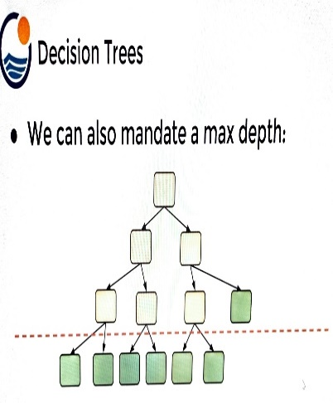 | ⇰REFERENCE (Website)-->Udemy Regarding Thereotical & Conceptual Understanding of Hyper Parameter-> Max_Depth

▣internal node Vs leaf node

❶A leaf node is a node that has no children. A node that does have children is known as an internal node. The root is an internal node, except in the special case of a tree that consists of just one node . |  |  |  |  | ⇰REFERENCE (Website)-->Quora Regarding Thereotical & Conceptual Understanding of Internal Node Vs Leaf Node | ⇰REFERENCE (Website)-->Stackoverflow Regarding Thereotical & Conceptual Understanding of internal Node Vs Leaf Node

⇰min_samples_split:int or float, default=2
❶The minimum number of samples required to split an internal node: ▣If int, then consider min_samples_split as the minimum number. ▣If float, then min_samples_split is a fraction and (min_samples_split *n_samples) are the minimum number of samples for each split. ∎So in Simple Words We will Understand This with Example If min_samples_split=10 Then It means There Will be no Splitting At Decision Node Unless If Samples is Less than 10 Here in This Chart we can see where gini=0.4444 Concurrently Samples=6 So from that there is no splitting & Because of Condition If samples < 10 Then No Splitting from Decision Node Ultimately it will become Terminal Node. |  | 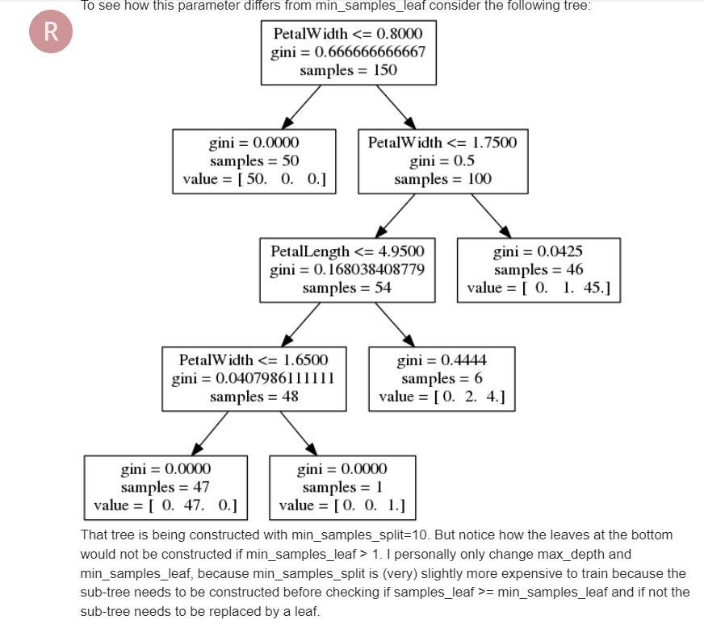 |  |  | ⇰REFERENCE (Website)-->Analytics Vidhya Regarding Thereotical & Conceptual Understanding of Param min_sample_split in Decision Tree

⇰min_samples_leaf:int or float, default=1
❶The minimum number of samples required to be at a leaf node. A split point at any depth will only be considered if it leaves at least min_samples_leaf training samples in each of the left and right branches. This may have the effect of smoothing the model, especially in regression. ▣If int, then consider min_samples_leaf as the minimum number. ▣If float, then min_samples_leaf is a fraction and ceil (min_samples_leaf * n_samples) are the minimum number of samples for each node. ∎So in Simple Words We will Understand This with Example If min_samples_leaf=2 Then there will be no splitting at Decision Node In this Chart where gini=0 & sample =1 But There is No Splitting because min_sample_leaf is set=2 & Main Condition is Both Branches (Left & Right) 's samples >2.If Any one Of Branches 's samples<2 Then it will become Leaf (Terminal node) |  |  |  |  | ⇰REFERENCE (Website)-->Stackoverflow Regarding Thereotical & Conceptual Understanding of min_samples_split and min_samples_leaf in Decision Tree Regressors | ⇰REFERENCE (Website)-->Ytho Python Regarding Conceptual & Practical Understanding of Diff in Between Min_sample Leaf Vs Min Sample Split
 |  |  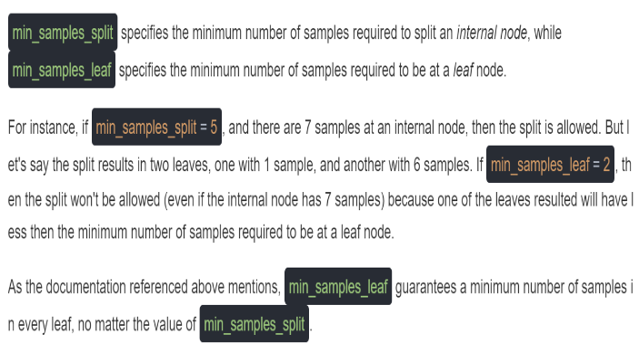

 |  |  |  |  | ⇰REFERENCE (Website)-->Analytics Vidhya Regarding Thereotical & Conceptual Understanding of Param min_sample_split in Decision Tree

 |  |  |  |  | ⇰REFERENCE (Website)-->Scikit Learn Regarding Conceptual & Practical Understanding of Various Hyper Parameters of Decision Tree Regressors

▣Min Sample Leaf Vs Min Sample Split
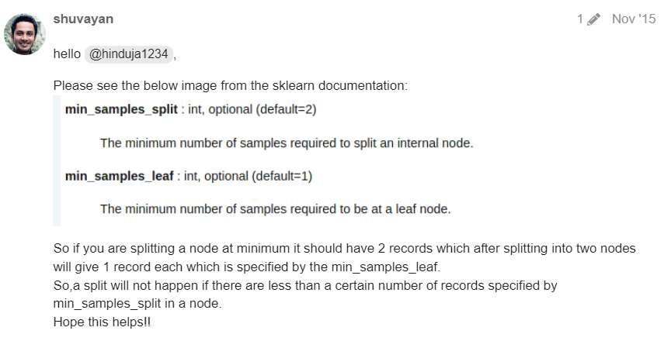  |  |  |  |  | ⇰REFERENCE (Website)-->Analytics Vidhya Regarding Thereotical & Conceptual Understanding of Param min_sample_split in Decision Tree | ⇰REFERENCE (Website)-->Ytho Python Regarding Conceptual & Practical Understanding of Diff in Between Min_sample Leaf Vs Min Sample Split

⇰max_features:int, float or {“auto”, “sqrt”, “log2”}, default=None |  |  |  |  | ⇰REFERENCE (Website)-->Medium (Towards Data Science) Regarding Thereotical & Conceptual Understanding of Hyper Param =>max_features
❶The number of features to consider when looking for the best split:- ▣If int, then consider max_features features at each split. ▣If float, then max_features is a fraction and max(1, int(max_features * n_features_in_)) features are considered at each split. ▣If “sqrt”, then max_features=sqrt(n_features). ▣If “log2”, then max_features=log2(n_features). ▣If None, then max_features=n_features. ❷Basically in Simple Words max_features The number of features to consider when looking for the best split (Responsible for Root Node).If this value is not set, the decision tree will consider all features available to make the best split. Depending on your application, it's often a good idea to tune this parameter.

 |  |  |  |  | ⇰REFERENCE (Website)-->Scikit Learn Regarding Conceptual & Practical Understanding of Various Hyper Parameters of Decision Tree Regressors

⇰max_leaf_nodes:int, default=None
❶Grow a tree with max_leaf_nodes in best-first fashion. Best nodes are defined as relative reduction in impurity. If None then unlimited number of leaf nodes. ❷Maximum number of leaf nodes a decision tree can have. Basically in Simple Words We can adjust Maximum No of Leaf Nodes (Terminal Nodes) at End of Decision Tree For Ex In This Decision Tree we set max_leaf_nodes=2 so we can see in this figure We have 2 Leaf Nodes (Terminal Nodes). |  | 

⇰random_state:int, RandomState instance or None, default=None
❶Controls the randomness of the estimator. The features are always randomly permuted at each split, even if splitter is set to "best". ❷When max_features < n_features, the algorithm will select max_features at random at each split before finding the best split among them.But the best found split may vary across different runs, even if max_features=n_features. ❸That is the case, if the improvement of the criterion is identical for several splits and one split has to be selected at random. To obtain a deterministic behaviour during fitting, random_state has to be fixed to an integer. ❹Basically in Simple Words Every time you Run Your Model it will create New Decision Tree & Having New Parameter & New Random Features so to Control That We need to Put random_state:int . |  | 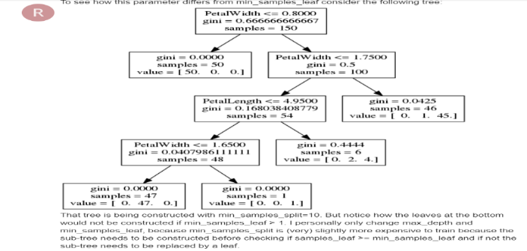 |  |  | ⇰REFERENCE (Website)-->Scikit Learn Regarding Conceptual & Practical Understanding of Various Hyper Parameters of Decision Tree Regressors

⇰min_impurity_decrease:float, default=0.0 |  |  |  |  | ⇰REFERENCE (Website)-->Udemy Regarding Thereotical & Conceptual Understanding of Param min_impurity_decrease used in Decision Tree Regressor
❶A node will be split if this split induces a decrease of the impurity greater than or equal to this value. ❷Basically in Simple Words (Udemy) Let's imagine that we have many features and we're having this really large over fitted tree.That is, the tree ends up being very deep with many different types of potential splits & often if you have a very large tree, it could potentially over fit to your training data, meaning it doesn't have enough bias to perform well on test data. ❸What you can do to alleviate this issue is add in the parameter of a minimum impurity decrease after being split on a node. |  |  | 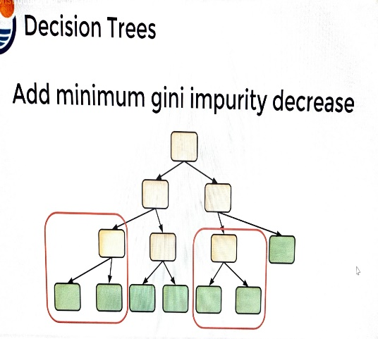

❹Essentially we're asking the decision tree to only split on the node if it's worth the decrease in impurity.That is, it's separating out the classes enough that splitting on that particular feature node was actually useful and adding in more information so we can add in that threshold.For example, maybe these two particular instances of nodes being split, then it meet our impurity decrease threshold. ❺ So they weren't really separating out these classes enough in order to meet the decrease in impurity for our threshold, in which case we're essentially going to perform automatic feature selection & this is also pruning the tree a bit because that particular feature node could actually decrease impurity,it's just going to become a leaf node.Another parameter we can adjust is mandating a maximum depth of our decision tree.

 |  |  |  |  | ⇰REFERENCE (Website)-->1.11(iii)Decision Tree Regressors Regarding Conceptual & Practical Implementation (Coding) of HyperParam of Decision Tree Regressor With Grid Search CV

3..Methods of DT Regressor
METHODS OF DECISION TREE REGRESSORS | REFERENCE

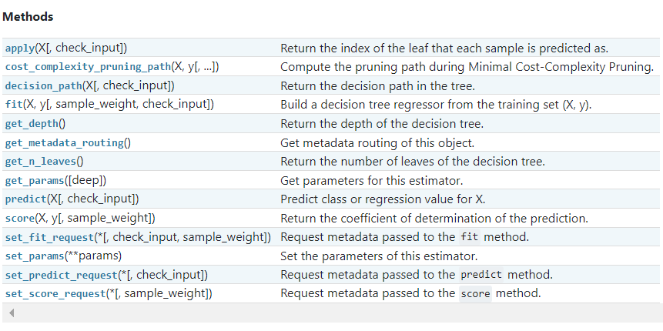 | ⇰REFERENCE (Website)-->Scikit Learn Regarding Thereotical & Conceptual of Various Methods of Understanding of Decision Tree Regressor

 | ⇰REFERENCE (Website)-->Udemy Regarding Thereotical & Conceptual Understanding of Various Methods of Decision Tree Classifiers

⇰fit(X, y, sample_weight=None) ❶Run fit with all sets of parameters ❷Build a decision tree regressor + Grid Search CV (grid_model) from the training set (X, y).

 | ⇰REFERENCE (Website)-->1.11(iii) Google Colab DT (Decision Tree Regressors) With Grid Search CV Regarding Practical Implementation of (Fit_methods of DT Regressor)

⇰predict(X) ❶Transform the data, and apply predict with the final estimator. ❷Predict class or regression value for X.For a classification model, the predicted class for each sample in X is returned. For a regression model, the predicted value based on X is returned.

 | ⇰REFERENCE (Website)-->1.11(iii) Google Colab DT (Decision Tree Regressors) With Grid Search CV Regarding Practical Implementation of (Predict_methods of DT Regressor)

⇰score(X, y, sample_weight=None) ❶Return the mean accuracy on the given test data and labels. ❸Scorer Metric is used for the purpose for finding what kind of evaluation Criteria is used in Given Data set for the purpose of Finding Out the Error & In this case it is 'Negative Mean Absolute Percentage Error' in Decision Tree Regressors. ❹Basically in upcoming example Negative Mean Absolute Percentage Error =0.1037 =>10.37% (Error) In Simple Words (Incorrect Prediction=>10.37% ) & (Remaining Correct Prediction=0.8963 =>89.63%). . ❹Negative Mean Absolute Percentage Error (NMAPE) taking the sum of observed values and the sum of predicted values, and calculating the error between those two values. A lower value indicates a more accurate model.Since NMAPE is a measure of error, high numbers are bad and low numbers are good.

 | ⇰REFERENCE (Website)-->Udemy Regarding Thereotical & Conceptual Understanding of Various Methods of Decision Tree Classifiers | ⇰REFERENCE (Website)-->Scikit Learn Regarding Metric Scoring Or Various Types of Metric Scoring

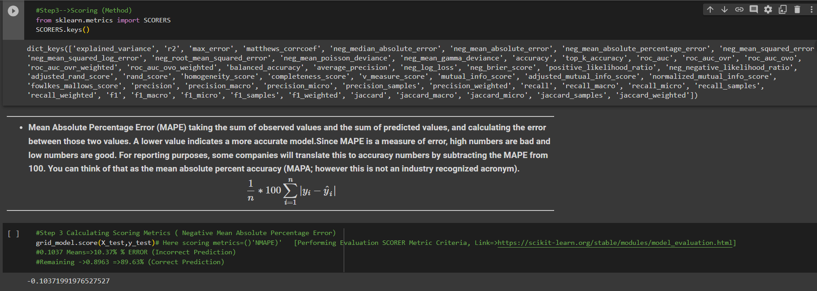 | ⇰REFERENCE (Website)-->1.11(iii) Google Colab DT (Decision Tree Regressors) With Grid Search CV Regarding Practical Implementation of (score_methods of DT Regressor)

 | ⇰REFERENCE (Website)-->Scikit Learn Regarding Thereotical & Conceptual of Various Methods of Understanding of Decision Tree Regressor

 | ⇰REFERENCE (Website)-->Udemy Regarding Thereotical & Conceptual Understanding of Various Methods of Decision Tree Classifiers

⇰get_params(deep=True) ❶Get parameters for this estimator. ❷deep:bool, default=True ,If True, will return the parameters for this estimator and contained sub objects that are estimators. Parameter names mapped to their values in dict format . ❸ In 2nd Instance we had seen that we Create get_params by using calling keys & display result in List Format . ❹Basically in Simple words this param_grid parameter allows you to pass the grid of parameters you are searching. This grid must be formatted as a dictionary with the key corresponding to the specific estimator’s parameter names, and the values corresponding to a list of values to pass for the specific parameters.

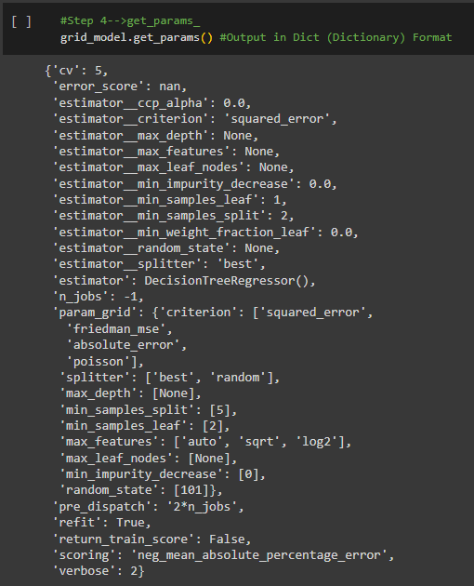 | ⇰REFERENCE (Website)-->1.11(iii) Google Colab DT (Decision Tree Regressors) With Grid Search CV Regarding Practical Implementation of (get_params (dict format) methods of DT Regressor)

 | ⇰REFERENCE (Website)-->Udemy Regarding Thereotical & Conceptual Understanding of Various Methods of Decision Tree Classifiers

 | ⇰REFERENCE (Website)-->Udemy Regarding Thereotical & Conceptual Understanding of Various Methods of Decision Tree Classifiers

 | ⇰REFERENCE (Website)-->Scikit Learn Regarding Thereotical & Conceptual of Various Methods of Understanding of Decision Tree Regressor

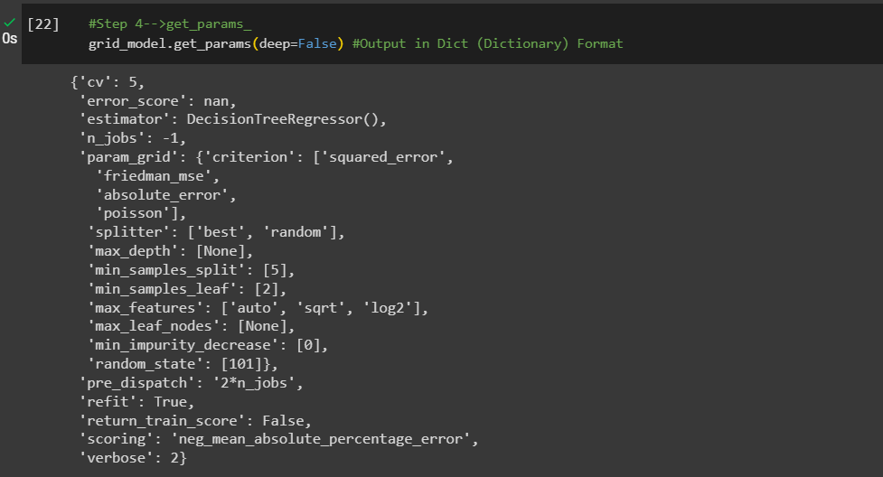 | ⇰REFERENCE (Website)-->1.11(iii) Google Colab DT (Decision Tree Regressors) With Grid Search CV Regarding Practical Implementation of ((get_params (Dict Format)methods of DT Regressor))

 | ⇰REFERENCE (Website)-->1.11(iii) Google Colab DT (Decision Tree Regressors) With Grid Search CV Regarding Practical Implementation of Imperative Methods of get_params in List Format

⇰set_params(params) ❶Set the parameters of this estimator . ❷In simple words set_params (Setting or Readjusting any Hyper Parameter again with New Param) ,We can Perform Readjustment or Reconfiguration of any Hyper Parameter for Given Model & then Re-run the Model.

❸Basically in upcoming Example We can see changes in set_params (n_jobs=>-1) to (n_jobs=>1) & (verbose=>2) to (verbose=>1) If we do comparison against Previous model.get_params() we can see those changes.

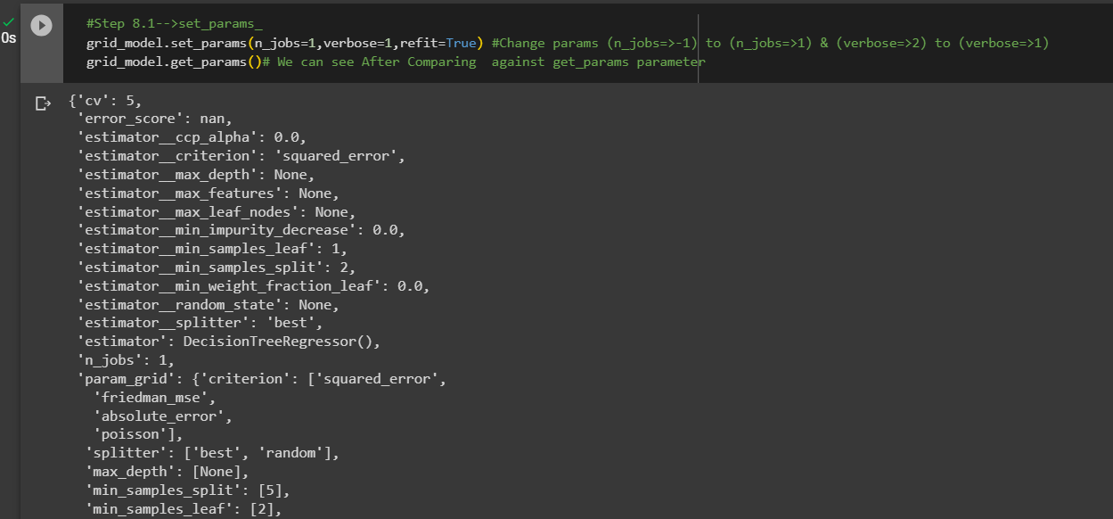 | ⇰REFERENCE (Website)-->1.11(iii) Google Colab DT (Decision Tree Regressors) With Grid Search CV Regarding Practical Implementation of (set_params methods of DT Regressor) | ⇰REFERENCE (Website)-->Scikit Learn Regarding Thereotical & Conceptual of Various Methods of Understanding of Decision Tree Regressor

 | ⇰REFERENCE (Website)-->Udemy Regarding Thereotical & Conceptual Understanding of Various Methods of Decision Tree Classifiers | ⇰REFERENCE (Website)-->1.11(iii) Google Colab ET (Extra Tree Classifiers) With Grid Search CV Regarding Practical Implementation of Imperative Methods of set_params in List Format

⇰cost_complexity_pruning_path(X, y, sample_weight=None) ❶Compute the pruning path during Minimal Cost-Complexity Pruning. ❷Basically in Simple Words Minimal cost-complexity pruning is an algorithm used to prune a tree to avoid over-fitting. This algorithm is parameterized by known as the complexity parameter.

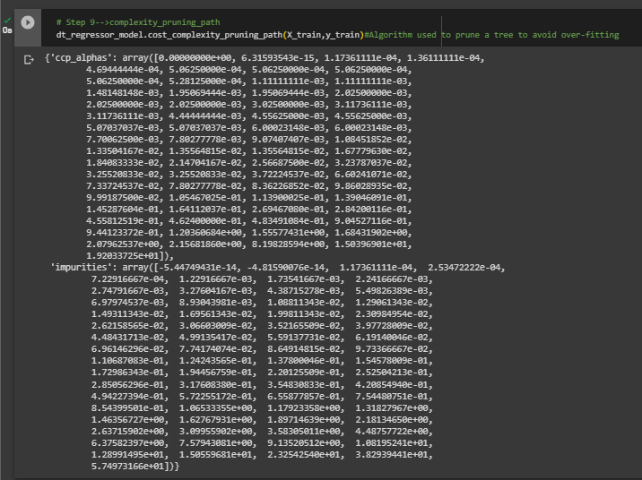 | ⇰REFERENCE (Website)-->1.11(iii) Google Colab DT (Decision Tree Regressors) With Grid Search CV Regarding Practical Implementation of (cost_compexity_pruning_path methods of DT Regressor)

⇰get_depth() ❶Return the depth of the decision tree.The depth of a tree is the maximum distance between the root and any leaf. ❷Basically in Simple Words It is maximum depth of the tree. If None, then nodes are expanded until all leaves are pure or until all leaves contain less than min_samples_split samples. | ⇰REFERENCE (Website)-->Scikit Learn Regarding Thereotical & Conceptual of Various Methods of Understanding of Decision Tree Regressor

❶A node will be split if this split induces a decrease of the impurity greater than or equal to this value. ❷Basically in Simple Words (Udemy) Let's imagine that we have many features and we're having this really large over fitted tree.That is, the tree ends up being very deep with many different types of potential splits & often if you have a very large tree, it could potentially over fit to your training data, meaning it doesn't have enough bias to perform well on test data. ❸What you can do to alleviate this issue is add in the parameter of a minimum impurity decrease after being split on a node.

 | ⇰REFERENCE (Website)-->1.11(iii) Google Colab DT (Decision Tree Regressors) With Grid Search CV Regarding Practical Implementation of (get_depth methods of DT Regressor)

⇰get_n_leaves() ❶Return the number of leaves of the decision tree. ❷ Basically in Simple words get_n_leaves() basically refer to no of Leaves (Terminal Node) Created in Decision Tree & Via scikit learn (plot_tree) you can do proper visualization. ❸Best_Estimator's Model from Grid Search CV for This Methods .

 | ⇰REFERENCE (Website)-->1.11(iii) Google Colab DT (Decision Tree Regressors) With Grid Search CV Regarding Practical Implementation of (get_n_leaves methods of DT Regressor)

⇰apply(X[, check_input]) ❶Return the index of the leaf (Terminal Node) that each sample is predicted as. ❷Best_Estimator's Model from Grid Search CV for This Methods .

 | ⇰REFERENCE (Website)-->1.11(iii) Google Colab DT (Decision Tree Regressors) With Grid Search CV Regarding Practical Implementation of (apply(X[,check_input]) methods of DT Regressor)

⇰decision_path(X, check_input=True) ❶Return the decision path in the tree. ❷Basically in Simple Words This Methods (decision function) will tell us regarding Types of data (Format) & No of Elements Storage in what location ? ❸Best_Estimator's Model from Grid Search CV for This Methods.

 | ⇰REFERENCE (Website)-->1.11(iii) Google Colab DT (Decision Tree Regressors) With Grid Search CV Regarding Practical Implementation of (decision_path(X, check_input=True) methods of DT Regressor))

4.Attribute of DT Regressor
ATTRIBUTES OF DECISION TREE REGRESSORS | REFERENCE

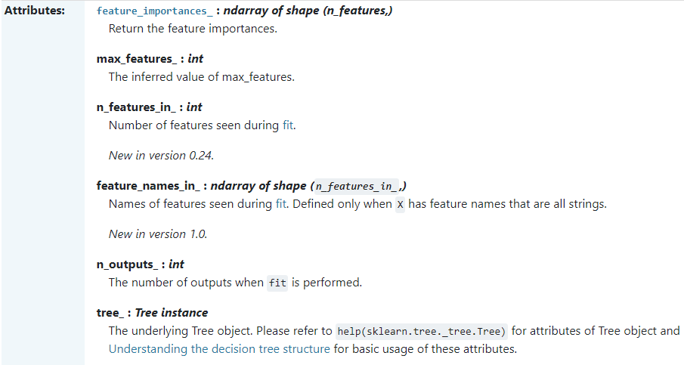 | ⇰REFERENCE (Website)-->Scikit Learn Regarding Thereotical & Conceptual Understanding of Attributes of Decision Tree Regressors

 | ⇰REFERENCE (Website)-->Udemy Regarding Thereotical & Conceptual Understanding of Various Methods of Decision Tree Classifiers

⇰feature_importances_:ndarray of shape (n_features,) ❶Return the feature importances. ❷ Basically in Simple Words it will report back the relative importance of each feature and its decision making & this is listed in the same order as the X features. ❸Best_Estimator's Model from Grid Search CV for This Attributes

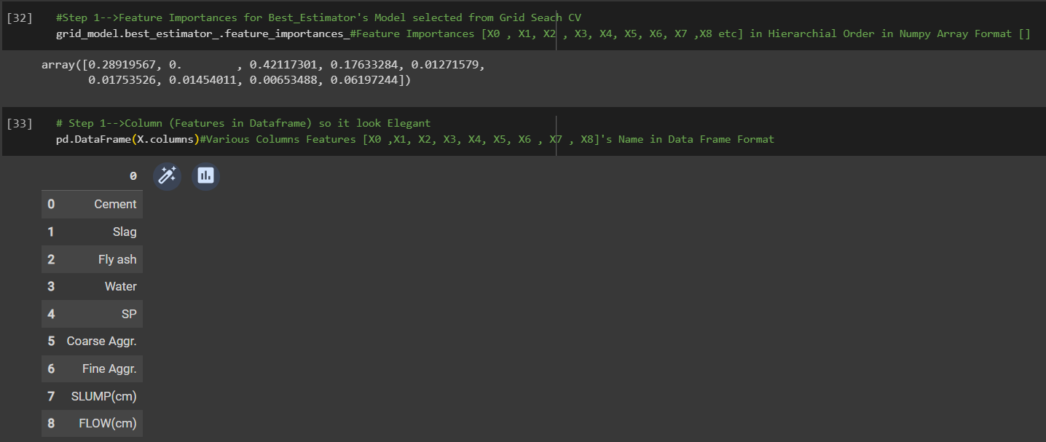 | ⇰REFERENCE (Website)-->1.11(iii) Google Colab DT (Decision Tree Regressors) With Grid Search CV Regarding Practical Implementation of Imperative Attributes of feature_importances_ | ⇰REFERENCE (Website)-->Stackoverflow Regarding Thereotical & Conceptual Understanding of Attributes Running feature_importance with grid search cv_best_estimator

▣Conversion of feature_importances_ into dataframe So in that way it will easier to read & all features based on their importance will be in Hierarchical Order. ▣In this Case we can see Fly ash is most important features because it scores 0.42 in terms of it's weightage. ▣Best_Estimator's Model from Grid Search CV for This Attributes

❹Feature Importances According in Data Frame Format in Sorting Order (Basically in Simple Words Attributes of Features Importance in Data Frame Format as well as Values sorted in Ascending Order. | ⇰REFERENCE (Website)-->1.11(iii) Google Colab DT (Decision Tree Regressors) With Grid Search CV Regarding Practical Implementation of Imperative Attributes of feature_importances_ in Data Frame Format
 |  | ⇰REFERENCE (Website)-->Stackoverflow Regarding Thereotical & Conceptual Understanding of Attributes Running feature_importance with grid search cv_best_estimator



 | ⇰REFERENCE (Website)-->1.11(iii) Google Colab DT (Decision Tree Regressors) With Grid Search CV Regarding Practical Implementation of Imperative Attributes of max_features_

 |  | ⇰REFERENCE (Website)-->Scikit Learn Regarding Thereotical & Conceptual Understanding of Attributes of Decision Tree Regressors

⇰max_features_:int ❶The inferred value of max_features. ❷Best_Estimator's Model from Grid Search CV for This Attributes

 |  | ⇰REFERENCE (Website)-->Udemy Regarding Thereotical & Conceptual Understanding of Various Methods of Decision Tree Classifiers

 | ⇰REFERENCE (Website)-->1.11(iii) Google Colab DT (Decision Tree Regressors) With Grid Search CV Regarding Practical Implementation of Imperative Attributes of n_features_in_

⇰n_features_in_:int ❶Number of features seen during fit. ❷ In Simple Words Number of features seen during fit.Only defined if best_estimator_ is defined Basically in Simple Words in this example of Decision Tree Regressors We have 7 Features so this attribute defines number of features used & available in for your data.

⇰feature_names_in_ndarray of shape (n_features_in_,) ❶Names of features seen during fit. Defined only when X has feature names that are all strings. ❷Defined only when X has feature names that are all strings & Precede to Feature Scaling Otherwise Due to Feature Scaling it will create Multiple Features. Basically in Other Word it Defines the Names of All Features (Independent Variable) That are Available in the Given Dataset. ❸Basically in Simple Words In Decision Tree Regressors We don't Need Feature Scaling That's why We can see By Implementing this Attribute we can see Names of Features Used for Decision Tree Regressors. | ⇰REFERENCE (Website)-->1.11(iii) Google Colab DT (Decision Tree Regressors) With Grid Search CV Regarding Practical Implementation of Imperative Attributes of features_names_in_
 |  | ⇰REFERENCE (Website)-->Scikit Learn Regarding Thereotical & Conceptual Understanding of Attributes of Decision Tree Regressors

 |  | ⇰REFERENCE (Website)-->Udemy Regarding Thereotical & Conceptual Understanding of Various Methods of Decision Tree Classifiers

 | ⇰REFERENCE (Website)-->1.11(iii) Google Colab DT (Decision Tree Regressors) With Grid Search CV Regarding Practical Implementation of Imperative Attributes of tree_

⇰tree_:Tree instance ❶The underlying Tree object. Please refer to help (sklearn.tree._tree.Tree) for attributes of Tree object and Understanding the decision tree structure for basic usage of these attributes. ❷Best_Estimator's Model from Grid Search CV for This Attributes

 | ⇰REFERENCE (Website)-->1.11(iii) Google Colab DT (Decision Tree Regressors) With Grid Search CV Regarding Practical Implementation of Imperative Attributes of n_outputs_

⇰n_outputs_:int ❶The number of outputs when fit is performed. ❷Best_Estimator's Model from Grid Search CV for This Attributes

5.Decision Tree Visualization
DECISION TREE VISUALIZATIONS | REFERENCE

 | ⇰REFERENCE (Website)-->Scikit Learn Regarding Thereotical & Conceptual Understanding of sklearn.tree.plot_tree

⇰decision_tree:decision tree regressor or classifier ❶The decision tree to be plotted. ❷Basically in Simple Words This is Main Hyper Parameter & Whatever Decision Tree Model (Classifcation Or Regressor) You have created you can plot same here. In this case we have used Grid Search CV So we will used best_estimator model (Decision Tree Classifier) from grid search cv . | ⇰REFERENCE (Website)-->Udemy Regarding Thereotical & Conceptual Understanding of Decision_Tree_Visualization

⇰max_depth:int, default=None ❶The maximum depth of the representation. If None, the tree is fully generated. ❷Basically in Simple Words maximum depth of our decision tree . If None, then nodes are expanded until all leaves are pure or until all leaves contain less than min_samples_split samples.

⇰feature_names:list of str, default=None ❶Names of each of the features. If None, generic names will be used (“x[0]”,“x[1]”, …). ❷ Defined only when X has feature names that are all strings .

⇰class_names:list of str or bool, default=None ❶Names of each of the target classes in ascending numerical order. Only relevant for classification & not supported for multi-output. If True, shows a symbolic representation of the class name.

⇰label:{‘all’, ‘root’, ‘none’}, default=’all’ ❶Whether to show informative labels for impurity, etc. Options include ‘all’ to show at every node, ‘root’ to show only at the top root node, or ‘none’ to not show at any node.

⇰filled:bool, default=False ❶When set to True, paint nodes to indicate majority class for classification, extremity of values for regression, or purity of node for multi-output. ❷Basically in Simple Words filled=True means Painting Colour based on Majority class for classification.

⇰impurity:bool, default=True ❶When set to True, show the impurity at each node.

⇰node_ids:bool, default=False ❶When set to True, show the ID number on each node.

⇰proportion:bool, default=False ❶When set to True, change the display of ‘values’ and/or ‘samples’ to be proportions and percentages respectively.

⇰rounded:bool, default=False ❶When set to True, draw node boxes with rounded corners and use Helvetica fonts instead of Times-Roman.

⇰fontsize:int, default=None ❶Size of text font. If None, determined automatically to fit figure.

 | ⇰REFERENCE (Website)-->1.11(iii) Google Colab DT (Decision Tree Classifiers) With Grid Search CV Regarding Practical Implementation of Decision Tree Visualizations

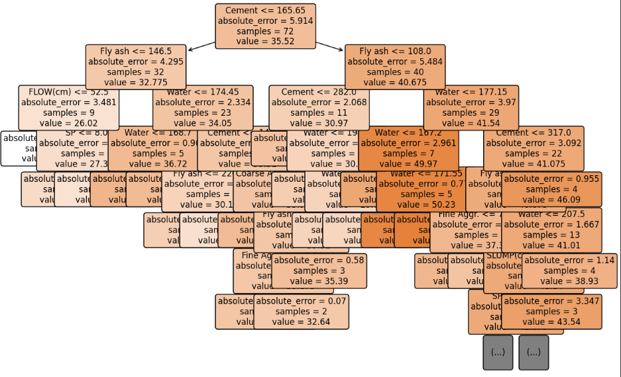

⇰get_depth() (DT VISUALIZATION) ❶Return the depth of the decision tree.The depth of a tree is the maximum distance between the root and any leaf. ❷Basically in Simple Words It is maximum depth of the tree. If None, then nodes are expanded until all leaves are pure or until all leaves contain less than min_samples_split samples.

⇰max_depth:int, default=None (PRUNING)
❶The maximum depth of the tree. If None, then nodes are expanded until all leaves are pure or until all leaves contain less than min_samples_split samples. ❷According to Udemy It is mandating a maximum depth of our decision tree.So what we can do here is decide that we only want the decision tree to have a depth of two potential split layers, essentially splitting off the root node and then splitting off of those nodes. Anything further down than that, we're going to go ahead and prune or cut off so we can mandate a maximum depth of the tree, which would mean that we would just go back up and make those terminal or leaf nodes instead of decision nodes.

 | ⇰REFERENCE (Website)-->1.11(iii) Google Colab DT (Decision Tree Classifiers) With Grid Search CV Regarding Practical Implementation of Methods get_depth for DT Visualization

⇰get_n_leaves() ❶Return the number of leaves of the decision tree. ❷ Basically in Simple words get_n_leaves() basically refer to no of Leaves (Terminal Node) Created in Decision Tree & Via scikit learn (plot_tree) you can do proper visualization. ❸Best_Estimator's Model from Grid Search CV for This Methods .

 | ⇰REFERENCE (Website)-->1.11(ii) Google Colab DT (Decision Tree Classifiers) With Grid Search CV Regarding Practical Implementation of Methods get_n_leaves for DT Visualization

